Introduction
Marketing Plan Budget & Planning Tool
Provided to:

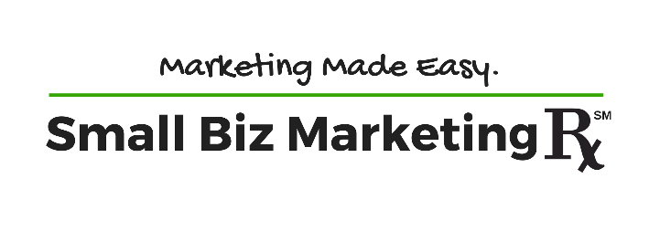

Contact us at
SmallBizMarketingRx.com

